bug test 1
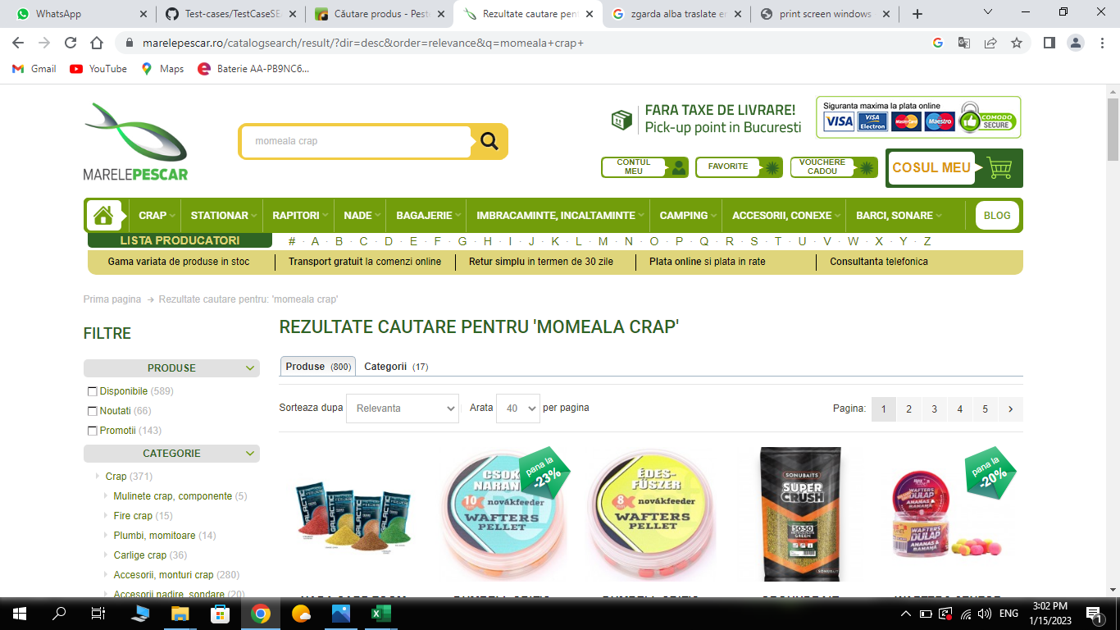
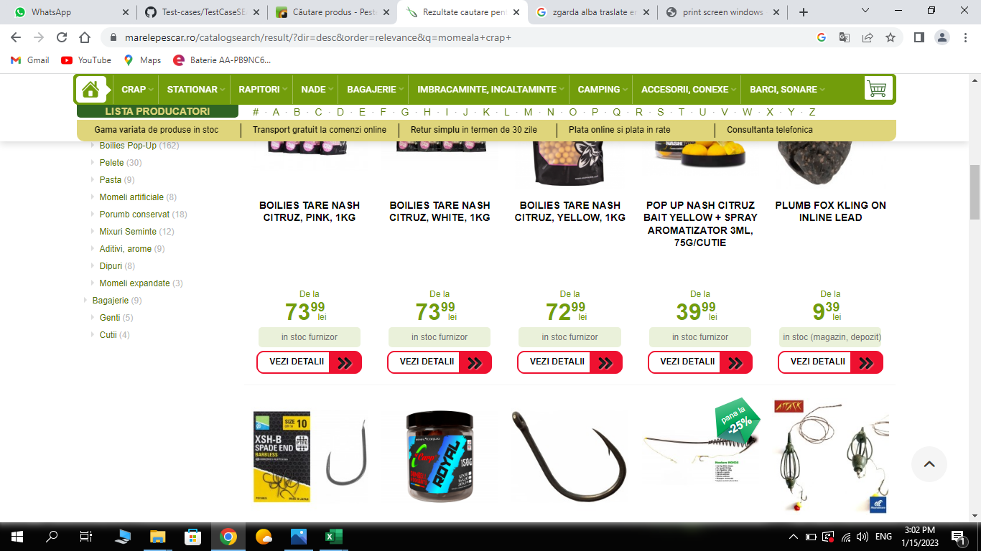
Defect ID |  | Mp_01 | Defect Description | User enter marelepescar.ro and finded mixt items
Created By |  |  | Assigned to |  |  | Version
 |  |  |  |  |  | Fixed in Version
QA Tester’s Log |  |  |  |  |  | Status
 |  |  |  |  |  | Affects Component
Tester's Name |  |  | Severity |  |  | Related Test Case

S # | Prerequisites: |  |  | S # | Test Data
1 | Acces marele pescar .ro |  |  | 1
2 |  |  |  | 2
3 |  |  |  | 3
4 |  |  |  | 4

Test Scenario | User searched for carp bait, but the site showed him not only carp bait,also other accessory

Step # | Step Details |  | Expected Results | Actual Results |  |  | Pass / Fail / Not executed / Suspended

1 | Enter marelepescar .ro |  | site opened | As Expected |  |  | Pass
2 | looking for search buton |  | buton should be found | As Expected |  |  | Pass
3 | looking for carp bait |  | carp bait should be founded | carp bait found but with others accessory on the same page |  |  | fail
4
5

bug test 2
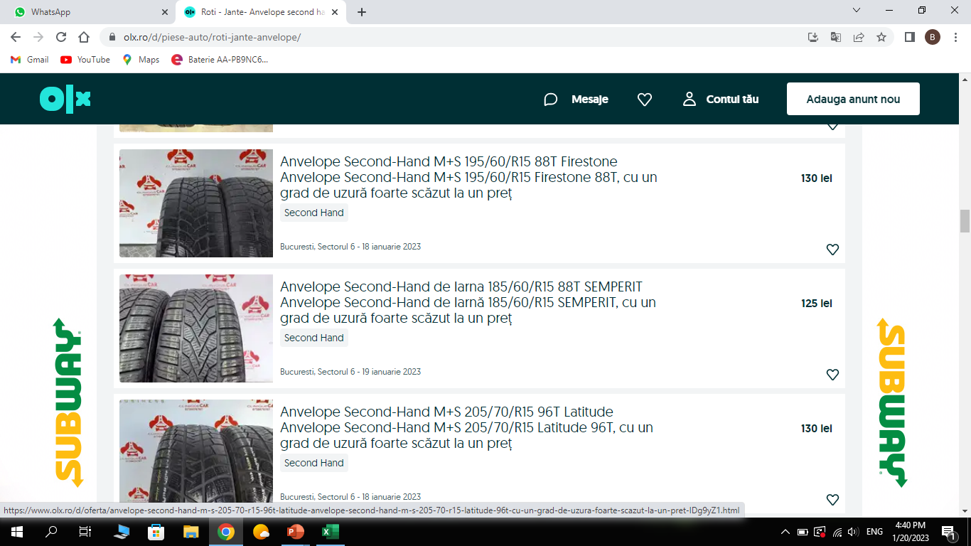
Defect ID |  | Olxbug | Defect Description | Specific order on olx.ro
Created By |  | Robert | Assigned to |  |  | Version
 |  |  |  |  |  | Fixed in Version
QA Tester’s Log |  | Review comments from Bill incorprate in version 2.1 |  |  |  | Status
 |  |  |  |  |  | Affects Component
Tester's Name |  |  | Severity |  |  | Related Test Case

S # | Prerequisites: |  |  | S # | Test Data
1 | Acces google chrome |  |  | 1
2 | Acces olx.ro |  |  | 2
3 |  |  |  | 3
4 |  |  |  | 4

Test Scenario | User clicked logout button and refreshed the page . User should be logged out bun is still logged in

Step # | Step Details |  | Expected Results | Actual Results |  |  | Pass / Fail / Not executed / Suspended

1 | Acces olx.ro |  | Site opened | As Expected |  |  | Pass
2 | Looking for filter category buton |  | Filter buton found | As Expected |  |  | Pass
3 | Searching for tyres |  | Tyres founded | As Expected |  |  | Pass
4 | Searching for specific date |  | Find curent date | date are mixed |  |  | Fail
5

bug test 3
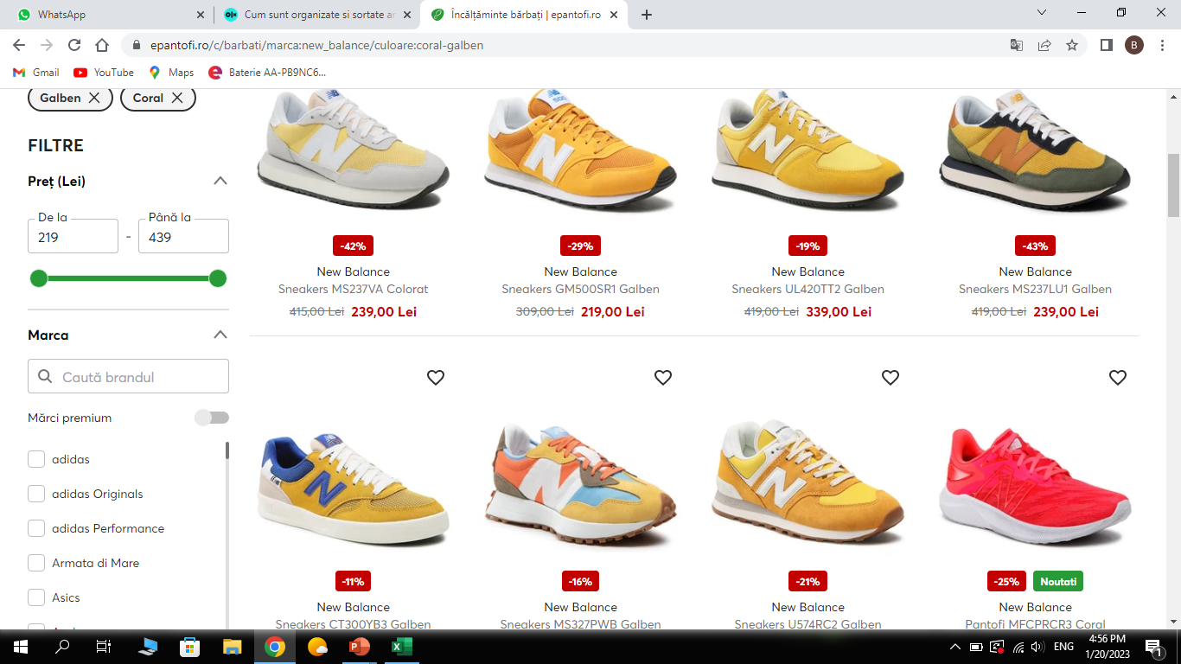
Defect ID |  | Ep_01 | Defect Description | Mixed colours instead only yellow
Created By |  | Robert | Assigned to |  |  | Version
 |  |  |  |  |  | Fixed in Version
QA Tester’s Log |  | Review comments from Bill incorprate in version 2.1 |  |  |  | Status
 |  |  |  |  |  | Affects Component
Tester's Name |  |  | Severity |  |  | Related Test Case

S # | Prerequisites: |  |  | S # | Test Data
1 | Acces google.com |  |  | 1
2 | Acces epantofi.ro |  |  | 2
3 |  |  |  | 3
4 |  |  |  | 4

Test Scenario

Step # | Step Details |  | Expected Results | Actual Results |  |  | Pass / Fail / Not executed / Suspended

1 | Acces epantofi.ro |  | Site should open | As Expected |  |  | Pass
2 | Looking for fiter buton |  | filter buton found | As Expected |  |  | Pass
3 | Add brand filter new balance |  | only new balance items showed | As Expected |  |  | Pass
4 | Add yellow color |  | only yellow colors showed | yellow color is mixed with another colors |  |  | Fail
5

bug test 4
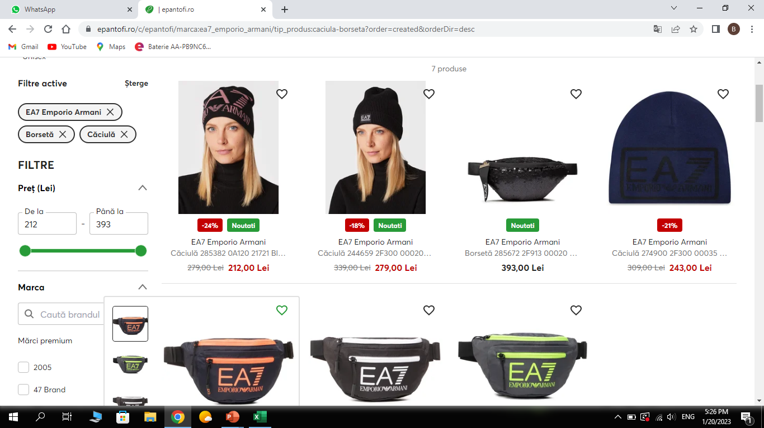
Defect ID |  | Ep_02 | Defect Description | Mixed items and not be in some order
Created By |  | robert | Assigned to |  |  | Version
 |  |  |  |  |  | Fixed in Version
QA Tester’s Log |  |  |  |  |  | Status
 |  |  |  |  |  | Affects Component
Tester's Name |  |  | Severity |  |  | Related Test Case

S # | Prerequisites: |  |  | S # | Test Data
1 | Acces epantofi.ro |  |  | 1
2 |  |  |  | 2
3 |  |  |  | 3
4 |  |  |  | 4

Test Scenario

Step # | Step Details |  | Expected Results | Actual Results |  |  | Pass / Fail / Not executed / Suspended

1 | Acces epantofi.ro |  | Site should open | As Expected |  |  | Pass
2 | Looking for fiter buton |  | filter buton foud | As Expected |  |  | Pass
3 | Add emporio armani in filter |  | find only emporie armani items | As Expected |  |  | Pass
4 | Add hat and man bag in filter |  | Hats and man bag in this order hats and man bag | hats and man bag mixed together and not restpect the order |  |  | Fail
5

bug test 5
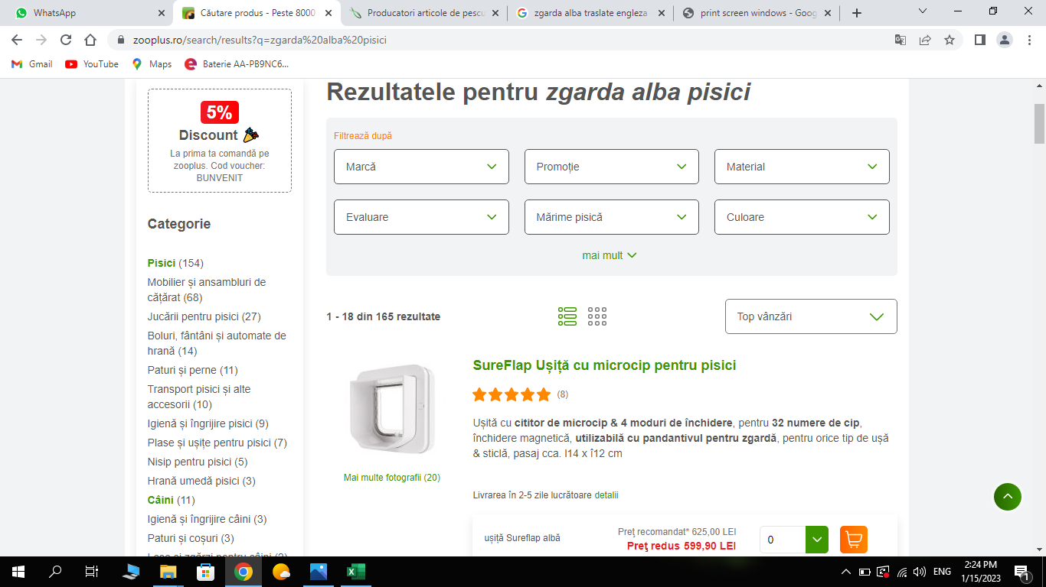
Defect ID |  | ZO_01 | Defect Description | Searching bug on zooplus.ro
Created By |  | robert | Assigned to |  |  | Version
 |  |  |  |  |  | Fixed in Version
QA Tester’s Log |  |  |  |  |  | Status
 |  |  |  |  |  | Affects Component
Tester's Name |  |  | Severity |  |  | Related Test Case

S # | Prerequisites: |  |  | S # | Test Data
1 | Acces zooplus.ro |  |  | 1
2 |  |  |  | 2
3 |  |  |  | 3
4 |  |  |  | 4

Test Scenario | User searched for white collar,user found the expected

Step # | Step Details |  | Expected Results | Actual Results |  |  | Pass / Fail / Not executed / Suspended

1 | Open zooplus.ro |  | site should open | As Expected |  |  | Pass
2 | search for search buton |  | buton should be founded | As Expected |  |  | Pass
3 | search for white collar |  | white collar shloud be found | white collar found but also with other items in that search |  |  | Fail
4
5

